Summary
Estimated Annual Signal Retiming Benefits
Corridor:
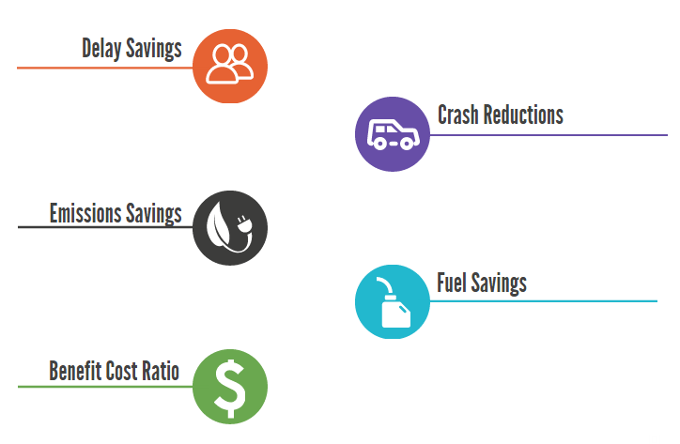

Hours

0 Crashes
$0

0 kg
$-

Gallons
$-

0

